Agenda
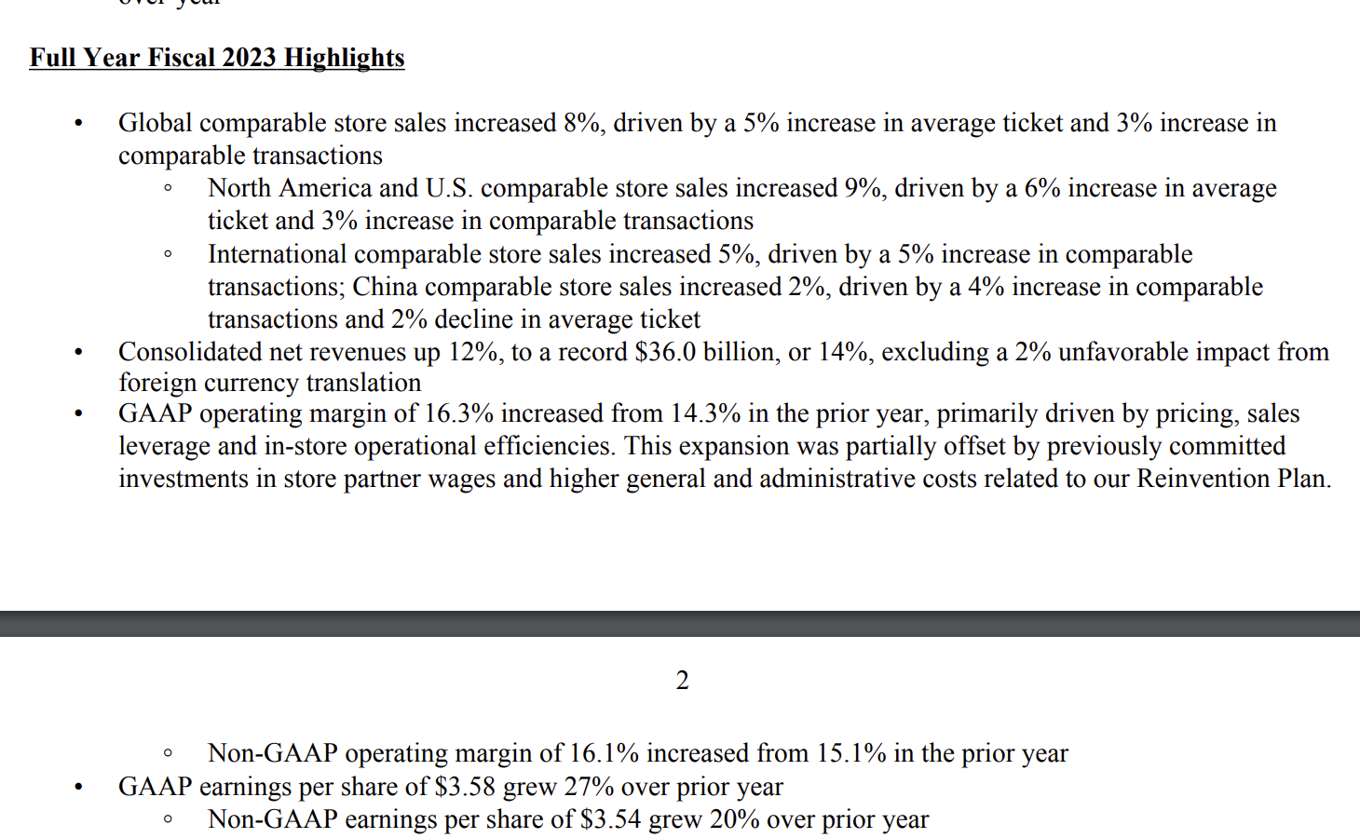
Recommendation | :

The Bull Case
the dominant player in the world currently

The Bear Case
Facing more competition globally

Notes and Reminders

Scenario Analysis
Projected FCFF
 | 2024 | 2025 | 2026 | 2027 | 2028
Bull | 4880352.78 | 6298007.2102 | 7514755.7512 | 8010050.6329 | 8919824.6784
Base | 4,732,852.82 | 6028643.5028 | 7066549.0618 | 7391598.142 | 8077796.7789
Bear | 4585352.86 | 5689116.5827 | 6362432.55 | 6369864.5913 | 6708619.859

Projected FCFF

Sheet1 (2)
Assumptions | FY 2023 | FY 2024F | FY 2025F | FY 2026F | FY 2027F | FY 2028F
Company-operated Stores
New store growth (Based on Appendix 5)
- US | 4% | 4% | 4% | 4% | 4% | 4%
- China | 13% | 13% | 4% | 4% | 4% | 4%
- Global | 7% | 7% | 7% | 7% | 7% | 7%

Number of Stores
- US | 10,628 | 11,053 | 11,495 | 11,955 | 12,433 | 12,931
- China | 6,804 | 7,689 | 7,996 | 8,316 | 8,649 | 8,994
- Global | 2,160 | 2,311 | 2,473 | 2,646 | 2,831 | 3,030
Total | 19,592 | 21,053 | 21,964 | 22,917 | 23,913 | 24,955

Revenue
- US | 23,905,400 | 16,954,029 | 18,690,122 | 20,798,368 | 23,144,424 | 25,514,413
- China | 5,556,900 | 11,793,176 | 13,000,798 | 14,467,288 | 16,099,198 | 17,747,756
- Global |  | 3,545,076 | 4,020,825 | 4,603,443 | 5,270,482 | 5,977,781
Total | 29,462,300 | 32,292,282 | 35,711,745 | 39,869,098 | 44,514,103 | 49,239,949
Revenue per store | 1,504 | 1,534 | 1,626 | 1,740 | 1,861 | 1,973
Growth Rate Revenue per store |  | 2% | 6% | 7% | 7% | 6%

Licensed Stores
New store growth (Based on Appendix 5)
- US | 1% | 4% | 4% | 4% | 4% | 4%
- China | 0% | 13% | 4% | 4% | 4% | 4%
- Global | 6% | 7% | 7% | 7% | 7% | 7%

Number of Stores
- US | 7,182 | 7,469 | 7,768 | 8,079 | 8,402 | 8,738
- China | - | - | - | - | - | -
- Global | 11,264 | 12,052 | 12,896 | 13,799 | 14,765 | 15,798
Total | 18,446 | 19,522 | 20,664 | 21,878 | 23,167 | 24,536

Revenue
- US | 2,659,100 | 1,863,859 | 1,996,566 | 2,159,486 | 2,335,700 | 2,502,002
- China | 1,853,600 | - | - | - | - | -
- Global |  | 3,007,536 | 3,314,606 | 3,688,493 | 4,104,555 | 4,523,630
Total | 4,512,700 | 4,871,396 | 5,311,172 | 5,847,979 | 6,440,255 | 7,025,632
Revenue per store | 245 | 250 | 257 | 267 | 278 | 286
Growth Rate Revenue per store |  | 2% | 3% | 4% | 4% | 3%

Other
Revenue | 2,000,600 | 2,049,726 | 2,111,827 | 2,162,489 | 2,191,960 | 2,195,369
Growth rate Other % |  | 2.46% | 3.03% | 2.40% | 1.36% | 0.16%

Income Statement | 2019 | 2020 | 2021 | 2022 | 2023 | 2024E | 2025E | 2026E | 2027E | 2028E
Other | 2,089,200.00 | 2,026,300.00 | 1,770,000.00 | 2,018,700.00 | 2,000,600.00 | 2,049,726.36 | 2,111,827.42 | 2,162,488.64 | 2,191,960.02 | 2,195,369.45
Licensed stores | 2,875,000.00 | 2,327,100.00 | 2,683,600.00 | 3,655,500.00 | 4,512,700.00 | 4,871,395.60 | 5,311,171.83 | 5,847,979.15 | 6,440,255.23 | 7,025,632.16
Company-operated stores | 21,544,400.00 | 19,164,600.00 | 24,607,000.00 | 26,576,100.00 | 29,462,300.00 | 32,292,282.04 | 35,711,745.14 | 39,869,098.49 | 44,514,103.32 | 49,239,948.83

Operating Rev
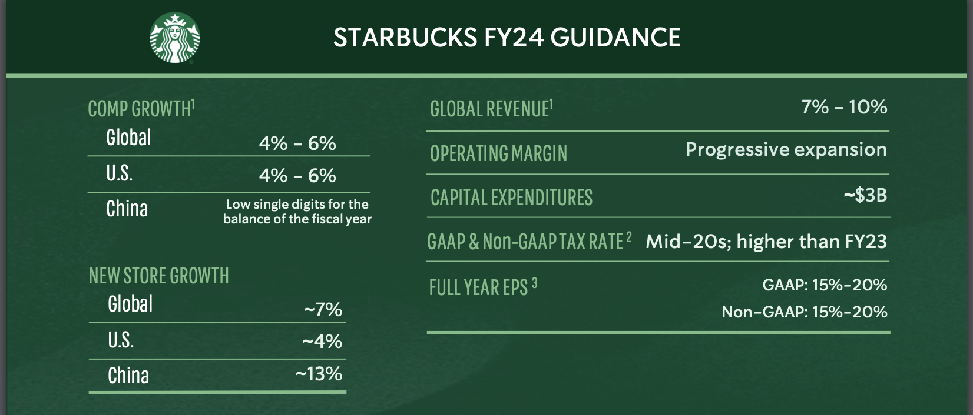
 | FY 2019 | FY 2020 | FY 2021 | FY 2022 | FY 2023 | FY 2024 | FY 2025 | FY 2026 | FY 2027 | FY 2028 | FY 2029
North America
Rev |  |  |  |  | $6,900.00

Global
 |  |  |  |  | $1,979.90

Channel Development
 |  |  |  |  | $486.10

Sensitivity Analysis
SBUX
In Thousands of USD except Per Share

Ticker |  |  | Implied Share Price | $97.00
Date |  |  | Current Share Price | $73.60
Year end |  |  | Implied Gain / (Loss) | 32%

Assumptions
Switches |  |  | Conservative |  |  | Street / Base |  |  | Optimistic
Revenue | 2 |  | Revenue '24-'25 | 7.0% |  | Revenue '24-'25 | 9.0% |  | Revenue '24-'25 | 11.0%
WACC | 2 |  | Revenue '25-'26 | 7.0% |  | Revenue '25-'26 | 10.0% |  | Revenue '25-'26 | 12.0% |  |  | Terminal Growth
TGR | 2 |  | Revenue '26-'27 | 6.5% |  | Revenue '26-'27 | 11.0% |  | Revenue '26-'27 | 13.0% |  | $97.00 | 2.00% | 2.25% | 2.50% | 2.75% | 3.00%
 |  |  | Revenue '27-'28 | 6.0% |  | Revenue '27-'28 | 10.0% |  | Revenue '27-'28 | 12.0% | WACC | 7.00% | 107.51 | 112.87 | 118.83 | 125.49 | 132.99 | -32%
Revenue '24-'25 | 9.0% |  |  |  |  |  |  |  |  |  |  | 7.50% | 96.62 | 100.95 | 105.71 | 110.98 | 116.83 | 28.57%
Revenue '25-'26 | 10.0% |  | WACC | 8.04856% |  | WACC | 7.88041% |  | WACC | 7.78537% |  | 7.88% | 89.61 | 93.34 | 97.41 | 101.87 | 106.80 | 9%
Revenue '26-'27 | 11.0% |  | g | 2.0% |  | g | 2.5% |  | g | 3.00% |  | 8.00% | 87.59 | 91.15 | 95.03 | 99.28 | 103.96 | 0.059713891041
Revenue '27-'28 | 10.0% |  |  |  |  |  |  |  |  |  |  | 9.00% | 73.52 | 76.03 | 78.72 | 81.63 | 84.79
WACC | 7.9%
g | 2.5%
Starbucks, 7.88%
 |  |  |  |  |  | 1 | 2 | 3 | 4 | 5
DCF | FY 2019 | FY 2020 | FY 2021 | FY 2022 | FY 2023 | FY 2024 | FY 2025 | FY 2026 | FY 2027 | FY 2028
Revenue growth | 7% | -11% | 24% | 11% | 12% | 9% | 10% | 11% | 11% | 10%
COGS/Revenue | 72% | 78% | 71% | 74% | 73% | 70% | 70% | 70% | 70% | 70%
SG&A/Revenue | 12% | 14% | 12% | 12% | 12% | 13% | 14% | 13% | 14% | 14%
Depreciation/Fixed Assets | 10% | 6% | 6% | 6% | 5% | 5% | 6% | 6% | 6% | 6%
Inventory/COGS | 8% | 8% | 8% | 9% | 7% | 7% | 7% | 7% | 7% | 7%
Accounts Receivables/Sales | 3% | 4% | 3% | 4% | 3% | 3% | 3% | 3% | 3% | 3%
Accounts payable/COGS | 26% | 16% | 21% | 19% | 17% | 20% | 20% | 20% | 20% | 20%
Cash/Sales | 10% | 20% | 23% | 10% | 11% | 10% | 13% | 14% | 15% | 17%
Fixed Asset Growth |  | 56% | 3% | 2% | 9% | 4% | 4% | 4% | 4% | 4%
TAX | 20% | 21% | 22% | 22% | 24% | 20% | 20% | 20% | 20% | 20%

Balance Sheet
Cash & Cash Equivalents | 2,757,100.00 | 4,632,100.00 | 6,617,900.00 | 3,182,900.00 | 3,953,000.00 | 3,921,340.40 | 5,607,516.77 | 6,703,139.28 | 7,971,947.79 | 9,938,361.57
Accounts Receivables | 879,200.00 | 883,400.00 | 940,000.00 | 1,175,500.00 | 1,184,100.00 | 1,176,402.12 | 1,294,042.33 | 1,436,386.99 | 1,594,389.56 | 1,753,828.51
Inventory | 1,529,400.00 | 1,551,400.00 | 1,603,900.00 | 2,176,600.00 | 1,806,400.00 | 1,921,456.80 | 2,113,602.48 | 2,346,098.75 | 2,604,169.61 | 2,864,586.57
Other ST Assets | 488,200.00 | 739,500.00 | 594,600.00 | 483,700.00 | 359,900.00 | #REF! | #REF! | #REF! | #REF! | #REF!
Fixed Asset | 14,273,500.00 | 22,289,400.00 | 23,064,800.00 | 23,625,400.00 | 25,722,800.00 | 26,751,712.00 | 27,821,780.48 | 28,934,651.70 | 30,092,037.77 | 31,295,719.28
Accumulated Dep | 7,841,800.00 | 7,913,900.00 | 8,459,300.00 | 9,049,300.00 | 9,923,100.00 | 10,713,085.00 | 11,675,402.62 | 12,644,185.29 | 13,621,613.28 | 14,609,838.75
Fixed Asset Net | 6,431,700.00 | 14,375,500.00 | 14,605,500.00 | 14,576,100.00 | 15,799,700.00 | 16,038,627.00 | 16,146,377.86 | 16,290,466.41 | 16,470,424.49 | 16,685,880.53
LT Investments & Receivables | 220,000.00 | 206,100.00 | 281,700.00 | 279,100.00 | 247,400.00
Other LT Assets | 6,914,000.00 | 6,986,500.00 | 6,749,000.00 | 6,104,500.00 | 6,095,000.00
Payables & Accruals | 4,894,000.00 | 2,945,500.00 | 4,296,500.00 | 4,458,400.00 | 4,514,100.00 | 5,489,876.56 | 6,038,864.22 | 6,703,139.28 | 7,440,484.60 | 8,184,533.06
Short Term Debt | - | 2,937,500.00 | 2,250,200.00 | 3,169,700.00 | 3,127,400.00
Other ST Liability | 1,274,700.00 | 1,463,800.00 | 1,604,700.00 | 1,523,700.00 | 1,703,800.00 | 1,874,180.00 | 2,061,598.00 | 2,267,757.80 | 2,494,533.58 | 2,743,986.94
Long term Debt | 11,167,000.00 | 22,321,300.00 | 21,354,900.00 | 20,635,100.00 | 21,472,400.00
Other LT Liability | 8,114,900.00 | 7,505,800.00 | 7,200,800.00 | 6,890,200.00 | 6,615,600.00
Total Debt | 11,167,000.00 | 25,258,800.00 | 23,605,100.00 | 23,804,800.00 | 24,599,800.00 | - | - | - | - | -
Op CA | 2,408,600.00 | 2,434,800.00 | 2,543,900.00 | 3,352,100.00 | 2,990,500.00 | 3,097,858.92 | 3,407,644.81 | 3,782,485.74 | 4,198,559.17 | 4,618,415.08
Op CL | 4,894,000.00 | 2,945,500.00 | 4,296,500.00 | 4,458,400.00 | 4,514,100.00 | 5,489,876.56 | 6,038,864.22 | 6,703,139.28 | 7,440,484.60 | 8,184,533.06
Op NWC | (2,485,400.00) | (510,700.00) | (1,752,600.00) | (1,106,300.00) | (1,523,600.00) | (2,392,017.64) | (2,631,219.41) | (2,920,653.54) | (3,241,925.43) | (3,566,117.98)
Change in NWC |  | 1,974,700.00 | (1,241,900.00) | 646,300.00 | (417,300.00) | (868,417.64) | (239,201.76) | (289,434.13) | (321,271.89) | (324,192.54)
Capex |  | 9,375,100.00 | 1,671,700.00 | 1,418,500.00 | 2,586,200.00 | 1,576,512.60 | 1,777,057.69 | 1,880,167.65 | 1,985,480.35 | 2,093,199.20
Total Current Asset | 5,653,900.00 | 7,806,400.00 | 9,756,400.00 | 7,018,700.00 | 7,303,400.00 | #REF! | #REF! | #REF! | #REF! | #REF!
Total Current Liability | 6,168,700.00 | 7,346,800.00 | 8,151,400.00 | 9,151,800.00 | 9,345,300.00 | 7,364,056.56 | 8,100,462.22 | 8,970,897.08 | 9,935,018.18 | 10,928,520.00
Total Non-Current Asset | 13,565,700.00 | 21,568,100.00 | 21,636,200.00 | 20,959,700.00 | 22,142,100.00 | 16,038,627.00 | 16,146,377.86 | 16,290,466.41 | 16,470,424.49 | 16,685,880.53
Total Non-Current Liability | 19,281,900.00 | 29,827,100.00 | 28,555,700.00 | 27,525,300.00 | 28,088,000.00 | - | - | - | - | -
Total Assets | 19,219,600.00 | 29,374,500.00 | 31,392,600.00 | 27,978,400.00 | 29,445,500.00 | #REF! | #REF! | #REF! | #REF! | #REF!
Total Equity | (6,231,000.00) | (7,799,400.00) | (5,314,500.00) | (8,698,700.00) | (7,987,800.00) | #REF! | #REF! | #REF! | #REF! | #REF!

Income Statement
Revenue | 26,508,600.00 | 23,518,000.00 | 29,060,600.00 | 32,250,300.00 | 35,975,600.00 | 39,213,404.00 | 43,134,744.40 | 47,879,566.28 | 53,146,318.58 | 58,460,950.43
-Cost of Goods sold | 19,020,500.00 | 18,458,900.00 | 20,652,000.00 | 23,879,200.00 | 26,129,400.00 | 27,449,382.80 | 30,194,321.08 | 33,515,696.40 | 37,202,423.00 | 40,922,665.30
Gross Profit | 7,488,100.00 | 5,059,100.00 | 8,408,600.00 | 8,371,100.00 | 9,846,200.00 | 11,764,021.20 | 12,940,423.32 | 14,363,869.89 | 15,943,895.57 | 17,538,285.13
+Other Operating Income | 298,000.00 | 322,500.00 | 385,300.00 | 234,100.00 | 298,400.00
-Operating Expenses | 3,215,600.00 | 3,248,400.00 | 3,576,000.00 | 3,750,200.00 | 4,343,200.00 | 5,097,742.52 | 6,038,864.22 | 6,224,343.62 | 7,440,484.60 | 8,184,533.06
EBIT | 4,570,500.00 | 2,133,200.00 | 5,217,900.00 | 4,855,000.00 | 5,801,400.00 | 6,666,278.68 | 6,901,559.10 | 8,139,526.27 | 8,503,410.97 | 9,353,752.07

FCFF
=EBIT | 4,570,500.00 | 2,133,200.00 | 5,217,900.00 | 4,855,000.00 | 5,801,400.00 | 6,666,278.68 | 6,901,559.10 | 8,139,526.27 | 8,503,410.97 | 9,353,752.07
-Taxes | 685,575.00 | 319,980.00 | 782,685.00 | 728,250.00 | 870,210.00 | 1,333,255.74 | 1,380,311.82 | 1,627,905.25 | 1,700,682.19 | 1,870,750.41
=NOPAT | 3,884,925.00 | 1,813,220.00 | 4,435,215.00 | 4,126,750.00 | 4,931,190.00 | 5,333,022.94 | 5,521,247.28 | 6,511,621.01 | 6,802,728.78 | 7,483,001.66
+Depreciation | 1,377,300.00 | 1,431,300.00 | 1,441,700.00 | 1,447,900.00 | 1,362,600.00 | 1,337,585.60 | 1,669,306.83 | 1,736,079.10 | 1,805,522.27 | 1,877,743.16
-Increasing in Working Capital | - | 1,974,700.00 | (1,241,900.00) | 646,300.00 | (417,300.00) | (868,417.64) | (239,201.76) | (289,434.13) | (321,271.89) | (324,192.54)
-Capital Expenditures | - | 9,375,100.00 | 1,671,700.00 | 1,418,500.00 | 2,586,200.00 | 1,576,512.60 | 1,777,057.69 | 1,880,167.65 | 1,985,480.35 | 2,093,199.20
FCFF | 5,262,225.00 | (8,105,280.00) | 5,447,115.00 | 3,509,850.00 | 4,124,890.00 | 5,962,513.59 | 5,652,698.19 | 6,656,966.60 | 6,944,042.58 | 7,591,738.16
Terminal Value |  |  |  |  |  |  |  |  |  | 144,102,437.25
Discounted FCFF |  |  |  |  |  | 5,525,962.55 | 5,652,698.19 | 6,656,966.60 | 6,944,042.58 | 7,591,738.16
Discounted Terminal Value |  |  |  |  |  |  |  |  |  | 98,529,006.30
Value of Firm | 130,900,414.38
Value of Debt | 24,599,800.00
Value of Equity | 110,253,614.38
Number of Shares | 1,136,600
Value of stock | 97.00

Appendix
 |  |  |  |  |  |  | Executive Committee |  |  |  |  |  |  |  | +------------+--------+ | Monte Carlo Price Paths
 | Conservative | Base | Optimistic |  |  |  | Name | Position | Age | Tenure (Years) | Year Joined | Education | Pay Value | Share Held % Outstd | | Percentile | Value | | 75th Percentile | 112
WACC | 0.080 | 0.079 | 0.078 |  |  |  | Laxman Narasimhan | CEO | 56 | 2 | 2022 | MBA, Engineering | $14,604,531.00 | 0.0146% | +------------+--------+ | 50th Percentile | 96
Wd | 0.185 | 0.185 | 0.185 |  |  |  | Rachel Ruggeri | Exec VP/CFO | 56 | 23 | 2001 | MBA, Accounting | $6,750,140.00 | 0.01% | | 25th | 82 | | 25th Percentile | 82
We | 0.815 | 0.815 | 0.815 |  |  |  | Brady Brewer | Exec VP/CMO | 52 | 23 | 2001 | Marketing | - | - | | 50th | 96 | | % Buy | 37.89%
Risk Free Rate | 0.043 | 0.035 | 0.030 |  |  |  | Michael A Conway | Intl & Channel Dev | 59 | 5 | 2019 | Business, Economics | $8,421,507.00 | 0.0074% | | 75th | 112 | | % Hold | 17.86%
Beta | 0.940 | 0.940 | 0.940 |  |  |  | Dominic Carr | Exec VP/CFO | 55 | 5 | 2019 | Economics | - | - | | Buys | 37.89% | | % Sell | 44.26%
Expected Market Return | 0.094 | 0.094 | 0.094 |  |  |  | Sara Kelly | Exec VP/CPO | 50 | 1 | 2023 | Business | $2,784,012.00 | 0.00% | | Holds | 17.86% | | Iterations | 1,000,000
Effective Tax Rate | 0.236 | 0.236 | 0.236 |  |  |  | Bradley E Lerman | Exec VP/General Consumer | 54 | 7 | 2017 | Business | $2,973,927.00 | 0.00% | | Sells | 44.26% |
Market Cap | 108,440,000 | 108,440,000 | 108,440,000 |  |  |  | Howard D Schultz | Interim President & CEO | 53 | 2 | 2022 | - | $757,597.00 | - | | Iterations | 100000 |
Short Term Debt | 3,127,400 | 3,127,400 | 3,127,400 |  |  |  |  |  |  |  |  |  |  |  | +------------+--------+
Long Term Debt | 21,472,400 | 21,472,400 | 21,472,400
Total Debt | 24,599,800 | 24,599,800 | 24,599,800 |  |  |  | Board of Directors
Projected FCFF
 | Bull | Base | Bear
2024 | 4880352.78 | 4732852.82 | 4585352.86
2025 | 6298007.2102 | 6028643.5028 | 5689116.5827
2026 | 7514755.7512 | 7066549.0618 | 6362432.55
2027 | 8010050.6329 | 7391598.142 | 6369864.5913
2028 | 8919824.6784 | 8077796.7789 | 6708619.859
Preferred Equity | 0 | 0 | 0 |  |  |  | Name | Position | Age | Tenure (Years) | Director Since | Education | Pay Value | Share Held % Outstd
Company Value | 133,039,800 | 133,039,800 | 133,039,800 |  |  |  | Mellody Hobson | Chairman | 54 | 3 | 2021 | - | - | 0.0639%
CAPM | 0.091 | 0.090 | 0.090 |  |  |  | Richard E. Allison, Jr. | Board Member | 56 | 5 | 2019 | - | - | 0.00%
Note Rate | 0.046 | 0.037 | 0.032 |  |  |  | Andrew Campion | Board Member | 52 | 5 | 2019 | Business | -
 |  |  |  |  |  |  | Beth Ford | Board Member | 59 | 1 | 2023 | Supply Chain | - | 0.00%
 |  |  |  |  |  |  | Jørgen Vig Knudstorp | Board Member | 55 | 7 | 2017 | - | - | 0.0072%
 |  | Terminal Growth |  |  |  |  | Neal Mohan | Board Member | 50 | 0 | 2024 | Engineering | - | 0.00%
 |  | 2.00% | 2.25% | 2.50% | 2.75% | 3.00% | Satya Nadella | Board Member | 56 | 7 | 2017 | - | - | 0.00%
WACC | 7.00% | 107.51 | 112.87 | 118.83 | 125.49 | 132.99 | Laxman Narasimhan | CEO | 56 | 2 | 2022 | MBA, Engineering | - | 0.0146%
 | 7.50% | 96.62 | 100.95 | 105.71 | 110.98 | 116.83 | Daniel Servitje | Board Member | 64 | 0 | 2024 | MBA | - | 0.00%
 | 7.88% | 89.61 | 93.34 | 97.41 | 101.87 | 106.80 | Mike Sievert | Board Member | 54 | 0 | 2024 | Economics | - | 0.00%
 | 8.00% | 87.59 | 91.15 | 95.03 | 99.28 | 103.96 | Wei Zhang | Board Member | 53 | 1 | 2023 | - | - | 0.00%
 | 9.00% | 73.52 | 76.03 | 78.72 | 81.63 | 84.79

 | Conservative | Base | Optimistic
Implied Share Price | $71.01 | $98.51 | $123.55
12-Month-Target Price | $76.65 | $104.02 | $129.94

